Page Layout
Project Name |  |  |  | Wow tasty |  | User Type |  |  |  |  | User |  |  |  | Writer | Hak Choi
Phase |  |  |  | Requirements programing design |  | Page Name |  |  |  |  | Sign up(Restaurant) |  |  |  | Date | 11/25/2012

 | 1. Page layout

 |  | 1 ) layout
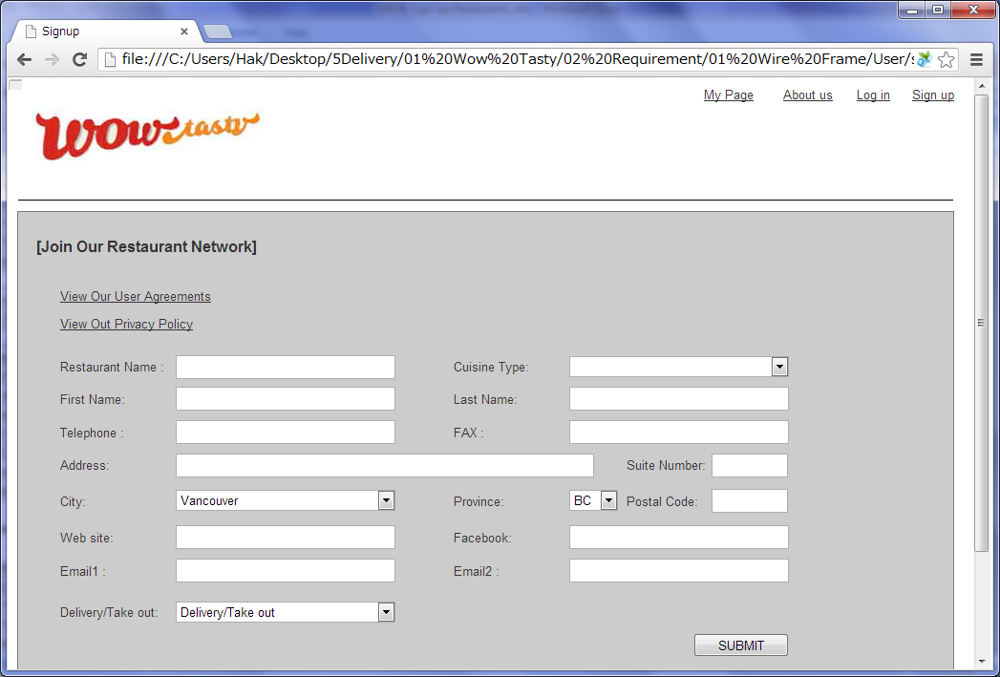

 |  | 2) Field list

 |  | No. | Name |  | Controller |  | Len | Align |  | Default |  | Note
 |  | 1 | View Our User Agreements |  | Link
 |  | 2 | View Out Privacy Policy |  | Link
 |  | 3 | Restaurant Name |  | Textfield |  | 50 | Left |  | Blank |  | Trim
 |  | 4 | Cuisine Type |  | Textfield |  |  |  |  | Blank
 |  | 5 | First Name |  | Textfield |  | 50 | Left |  | Blank |  | Trim
 |  | 6 | Last Name |  | Textfield |  | 50 | Left |  | Blank |  | Trim
 |  | 7 | Telephone |  | Textfield |  | 20 | Left |  | Blank |  | Trim
 |  | 8 | FAX |  | Textfield |  | 20 | Left |  | Blank |  | Trim
 |  | 9 | Address |  | Textfield |  | 100 | Left |  | Blank |  | Trim
 |  | 10 | Suite Number |  | Textfield |  | 10 | Left |  | Blank |  | Trim
 |  | 11 | City |  | Drop down |  | - | - |  | Vancouver |  | City list.
 |  | 12 | Province |  | Drop down |  | - | - |  | BC |  | Province list.
 |  | 13 | Postal Code |  | Textfield |  | 7 | Left |  | Blank |  | Trim
 |  | 14 | Web site |  | Textfield |  | 100 | Left |  | Blank |  | Trim
 |  | 15 | Facebook |  | Textfield |  | 100 | Left |  | Blank |  | Trim
 |  | 16 | Email1 |  | Textfield |  | 256 | Left |  | Blank |  | Trim
 |  | 17 | Email2 |  | Textfield |  | 256 | Left |  | Blank |  | Trim
 |  | 18 | Delivery/Take out |  | Drop down |  | - |  |  |  |  | Delivery&Take out, Take out
 |  | 19 | Submit |  | Button

 |  | 3) Validation list

 |  | - Unit validation
 |  | No. | Name |  | Required | Type |  |  | Other |  |  |  |  | Error Message
 |  | 1 | Restaurant Name |  | Yes | - |  |  |  |  |  |  |  | E0001
 |  | 2 | Cuisine Type |  | Yes | - |  |  |  |  |  |  |  | E0001
 |  | 3 | First Name |  | Yes | - |  |  |  |  |  |  |  | E0001
 |  | 4 | Last Name |  | Yes | - |  |  |  |  |  |  |  | E0001
 |  | 5 | Telephone |  | Yes | Telephone |  |  | 0-9,space,- |  |  |  |  | E0001,E0003
 |  | 6 | Address |  | Yes |  |  |  |  |  |  |  |  | E0001,E0003
 |  | 7 | Suite Number |  | Yes | Num&Eng |  |  | a-z,A-Z,0-9,space |  |  |  |  | E0001,E0003
 |  | 8 | Postal Code |  | Yes | Num&Eng |  |  | a-z,A-Z,0-9,space |  |  |  |  | E0001,E0003
 |  | 9 | Email1 |  | Yes | Email |  |  |  |  |  |  |  | E0001,E0003

 |  | - Correlation validation
 |  | No. | Condition |  | Field |  |  |  |  |  | Required |  | Other | Error message

Page Transition
Project Name |  |  |  |  | Wow tasty |  | User Type |  | User |  | Writer |  | Hak Choi
Phase |  |  |  |  | Requirements programing design |  | Page Name |  | Sign up(Restaurant) |  | Date |  | 11/24/2012

 | 2. Page Transition

 |  | 1) Event List

 |  | No. | Name |  |  | Event |  | Condition |  | Destination page
 |  | 1 | Submit |  |  | Click |  | Validation OK |  | [Sign up Completed(Restaurant)] page
 |  | 2 |  |  |  |  |  | Validation Error |  | [Sign up(Restaurant)] page

 |  | 2) Page Transition |  |  |  |  |  |  |  |  |  | page |  | layer

2

1
 |  |  |  | Sign up(Restaurant) |  |  | Sign up Completed
 |  |  |  |  |  |  | (Restaurant)

